Product analysis
Product | Cost | Price | Average shipping | Average profit | % of profit | % of sales | Orders cancelled | Initial stock | Sold | Final stock | Total profit | % of total profit
Smartphone | $80.00 | $300.00 | $2.83 | $217.17 | 262.17% | 70.00% | 15 | 200 | 140 | 60 | $30,403.23 | 87.99%
Charger | $5.00 | $25.00 | $1.74 | $18.26 | 271.19% | 39.00% | 8 | 100 | 39 | 61 | $4,149.69 | 12.01%
Headphones | $9.00 | $50.00 | $1.69 | $39.31 | 367.66% | 32.00% | 3 | 100 | 32 | 68
Phone Case | $3.00 | $25.00 | $1.00 | $21.00 | 524.67% | 28.00% | 5 | 100 | 28 | 72
Selfie Stick | $3.00 | $20.00 | $2.86 | $14.14 | 241.31% | 43.00% | 5 | 100 | 43 | 57
Power Bank | $7.00 | $30.00 | $3.77 | $19.23 | 178.57% | 42.00% | 3 | 100 | 42 | 58
Screen Protector | $1.00 | $5.00 | $0.76 | $3.24 | 184.20% | 55.00% | 5 | 100 | 55 | 45
 |  |  |  |  |  |  | 44 |  | 379

% of sales of each product
% of profit of each product

Month analysis
Month | Revenue | Production cost | Shipping cost | Gross profit
1 | $8,720.00 | $2,219.00 | $149.37 | $6,351.63 | 8,720
2 | $8,980.00 | $2,326.00 | $150.47 | $6,503.53 | 8,980
3 | $6,050.00 | $1,528.00 | $155.94 | $4,366.06 | 6,050
4 | $7,280.00 | $1,891.00 | $114.84 | $5,274.16 | 7,280
5 | $7,680.00 | $1,958.00 | $154.16 | $5,567.84 | 7,680
6 | $8,960.00 | $2,323.00 | $147.30 | $6,489.70 | 8,960

Revenue per Month

Region analysis
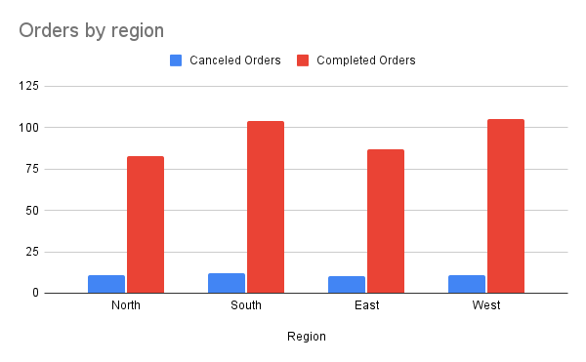
Region | Canceled Orders | Completed Orders | Sales | Smartphone | Charger | Headphones | Phone Case | Selfie Stick | Power Bank | Screen Protector
North | 11 | 83 | $10,420.00 | 31 | 9 | 5 | 6 | 9 | 8 | 15
South | 12 | 104 | $13,535.00 | 40 | 8 | 9 | 11 | 17 | 7 | 12
East | 10 | 87 | $10,990.00 | 32 | 7 | 10 | 5 | 10 | 11 | 12
West | 11 | 105 | $12,725.00 | 37 | 15 | 8 | 6 | 7 | 16 | 16
Total Orders | 44 | 379 | $47,670.00 | 140 | 39 | 32 | 28 | 43 | 42 | 55
423

